Sheet1
General Requirement

 | No | File Name |  |  | Type
 | 1 | index.blade.php |  |  | View
 | 2 | admin.blade.php |  |  | View
 | 3 | edit.blade.php |  |  | View
 | 4 | InfoController.php |  |  | Controller
 | 5 | posts.blade.php |  |  | View
 | 6 | create_post.blade.php |  |  | View
 | 7 | update_post.blade.php |  |  | View
 | 8 | PostController.php |  |  | Controller
 | 9 | Info.php |  |  | Model
 | 10 | Post.php |  |  | Model

 | (1) Route::get('/', 'InfoController@index'); |  |  |  |  |  | return view('index');
 | (2) Route::get('/admin', 'InfoController@admin'); |  |  |  |  |  | If there is no authentication , redirect to login.If not, redirect to admin.blade.php
 | (3) Route::get('/admin/edit/{id}','InfoController@edit'); |  |  |  |  |  | return view('edit');
 | (4) Route::post('/admin/edit/{id}','InfoController@update'); |  |  |  |  |  | Update into info table and show successfully alert box then transition to admin.blade.php.
 | (5) Route::get('/admin/posts','PostController@show'); |  |  |  |  |  | return view('posts');
 | (6) Route::get('/admin/posts/addpost','PostController@add'); |  |  |  |  |  | return view('create_post');
 | (7) Route::post('/admin/posts/addpost','PostController@create'); |  |  |  |  |  | Insert into posts table and show successfully alert box then transition to posts.blade.php.
 | (8) Route::get('/admin/posts/{post}','PostController@edit'); |  |  |  |  |  | return view('update_post');
 | (9) Route::post('/admin/posts/{post}','PostController@update'); |  |  |  |  |  | Update into posts table and show successfully alert box then transition to posts.blade.php.

my_profile Database

 | info |  |  |  |  | posts
 | id |  | increment |  |  | id | increment
 | name |  | string |  |  | title | string
 | address |  | string |  |  | content | text
 | bachelor |  | string |  |  | image_link | string
 | phone |  | string
 | email |  | string
 | git_link |  | string

 | 1. there is only one record in info table.

index.blade.php
 |  |  |  |  |  |  |  | background color = 006064 | font color= F3F3F3
url = /
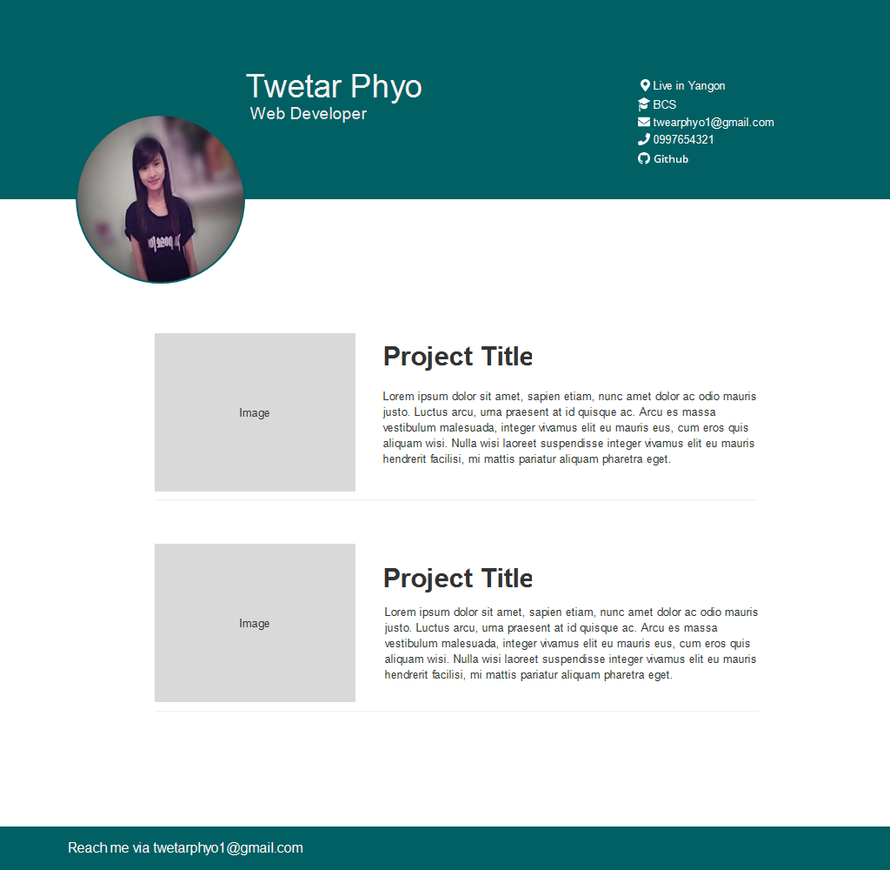

This fields are dynamically display from info table.
 |  |  |  |  |  |  |  |  |  | (1) {{name}}
 |  |  |  |  |  |  |  |  |  | (2) {{address}}
 |  |  |  |  |  |  |  |  |  | (3) {{bachelor}}
 |  |  |  |  |  |  |  |  |  | (4) {{email}}
 |  |  |  |  |  |  |  |  |  | (5) {{phone}}
 |  |  |  |  |  |  |  |  |  | (6) {{git_link}}

 |  |  |  |  |  |  |  |  |  | (7) {{title}}

This fields are dynamically display form posts table.
 |  |  |  |  |  |  |  |  |  | (8) {{content}}

 |  |  |  |  |  |  |  |  |  | (9) {{image_link}}

 |  |  |  |  |  |  |  |  |  | background color = FFFFFF | font color=333333

 |  |  |  |  |  |  |  |  |  |  | Click Button
admin.blade.php
url =/admin
Projects
Logout
 |  |  |  |  |  |  |  |  |  |  |  | posts.blade.php |  |  |  |  |  |  |  | create_post.blade.php
 | Admin Dashboard |  |  |  |  |  |  |  |  |  |  | url = /admin/posts |  |  |  |  |  |  |  | url=/admin/posts/addpost
Logout
Home
Logout
Home
 |  |  |  |  |  |  |  |  |  |  |  |  | Admin Dashboard |  |  |  |  |  |  |  | Admin Dashboard

Add
 |  |  | Name : | Twetar Phyo |  |  |  |  |  |  |  |  |  |  |  |  |  | Click Add button
 |  |  | Address : | Yangon |  |  |  |  |  |  | Click Home button
 |  |  | Bachelor : | BCS
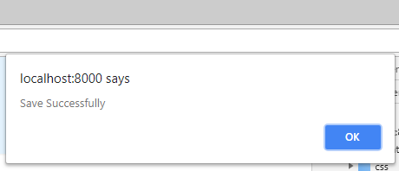
 |  |  | Email : | twetarphyo1@gmail.com |  |  |  |  |  |  |  |  | Title | Content |  |  | Action
 |  |  | Phone : | 099696999
Edit
Remove
Title
 |  |  | Git Link : | www.github.com/twetarphyo |  |  |  |  |  |  |  |  | {{post.title}} | {{post.content}}
 |  |  |  |  |  |  |  |  |  |  | Looping for posts
Edit
Edit
Remove
 |  |  |  |  |  |  |  |  |  |  |  |  | {{post.title}} | {{post.content}}
Content

Back
Save
 |  |  |  |  |  |  |  |  |  |  |  |  |  |  |  |  |  |  |  |  |  | Click save button and then insert into posts table.
 |  |  |  |  |  |  |  |  |  |  |  |  |  |  |  |  |  |  | Click

 |  |  |  |  |  |  |  |  |  |  |  |  |  |  | update_post.blade.php
 |  |  |  |  |  |  |  |  |  |  |  |  |  |  | url=/admin/posts/{{post}}
Home
Logout
Home
Logout
 |  | Admin Dashboard |  |  |  |  |  |  |  |  |  |  |  |  |  | Admin Dashboard

{{name}}
{{title}}

{{address}}
{{content}}

{{bachelor}}
Back
Save
 |  |  |  |  |  |  |  |  |  |  |  |  |  |  |  |  |  |  | Click save button and then update into posts table.

{{email}}

{{phone}}

{{git_link}}

 |  |  |  |  |  |  |  |  | Click save button and then update into info table.
Back
Save

